Sheet1
ARIMA Forecasting
https://www.sciencedirect.com/science/article/pii/S1684118220300980#appsec1

60 Day - Forecasted Data
MAPE ERROR
MAPE, which stands for mean absolute percentage error.
The formula to calculate MAPE is as follows:
MAPE = (1/n) * Σ(|actual – forecast| / |actual|) * 100
MAPE CASES - 6.29
MAPE DEATHS - 3.413
MAPE value of 6.29% means that the average difference between the forecasted value and the actual value is 6.29%.

CFR
Point.Forecast | Lo.95 | Hi.95 | Point.Forecast | Lo.95 | Hi.95
2953180.598 | 2949975.6515 | 2956385.5444 | 98250.668933 | 98118.328868 | 98383.008998 | 3.3269441429 | 3.3260724989 | 3.3278138971
2970714.7568 | 2963956.7558 | 2977472.7578 | 98556.202965 | 98314.572898 | 98797.833031 | 3.3175922643 | 3.3170042952 | 3.3181775643
2990564.7125 | 2980731.4617 | 3000397.9633 | 98828.593507 | 98478.186526 | 99179.000487 | 3.3046799855 | 3.3038261847 | 3.30552819
3010597.255 | 2997944.0566 | 3023250.4533 | 99088.162633 | 98616.581803 | 99559.743462 | 3.291312462 | 3.2894737173 | 3.2931358152
3029111.992 | 3013752.7654 | 3044471.2185 | 99330.952496 | 98736.771086 | 99925.133905 | 3.2792103019 | 3.2762067353 | 3.2821835627
3045343.4739 | 3026749.4864 | 3063937.4614 | 99567.873748 | 98862.213964 | 100273.53353 | 3.2695121126 | 3.2662833316 | 3.2727017048
3060237.495 | 3037582.2141 | 3082892.7758 | 99829.840873 | 99004.387255 | 100655.29449 | 3.2621599152 | 3.2593154778 | 3.2649625469
3075296.699 | 3047607.6232 | 3102985.7748 | 100120.70115 | 99151.60192 | 101089.80038 | 3.2556436322 | 3.2534241339 | 3.2578235196
3091859.8171 | 3058571.7826 | 3125147.8515 | 100411.75291 | 99280.839713 | 101542.6661 | 3.2476166077 | 3.2459869105 | 3.2492115869
3110048.8364 | 3070983.9399 | 3149113.7329 | 100683.66578 | 99383.234632 | 101984.09694 | 3.2373660698 | 3.2362017052 | 3.2385015464
3129045.6362 | 3084346.6054 | 3173744.667 | 100937.36232 | 99464.562384 | 102410.16225 | 3.2258194367 | 3.224817931 | 3.226792732
3147557.8466 | 3097324.2424 | 3197791.4508 | 101182.51802 | 99538.233402 | 102826.80264 | 3.2146356938 | 3.2136846391 | 3.2155568685
3164821.6372 | 3108975.3358 | 3220667.9386 | 101433.96276 | 99618.037155 | 103249.88836 | 3.2050451616 | 3.2042080234 | 3.205853268
3180897.9772 | 3119091.0915 | 3242704.8628 | 101703.78168 | 99708.738912 | 103698.82445 | 3.1973292577 | 3.1967241734 | 3.1979112758
3196623.364 | 3128384.9091 | 3264861.8188 | 101987.77002 | 99800.61513 | 104174.92491 | 3.1904844083 | 3.1901641911 | 3.1907912399
3212911.5173 | 3137793.57 | 3288029.4647 | 102269.21621 | 99878.646949 | 104659.78548 | 3.1830698001 | 3.1830853343 | 3.1830549757
3230238.043 | 3147976.8719 | 3312499.2141 | 102536.17208 | 99936.240232 | 105136.10392 | 3.1742605565 | 3.1746179943 | 3.1739208715
3248345.9666 | 3158849.6691 | 3337842.2641 | 102789.88059 | 99978.807988 | 105600.95319 | 3.1643760131 | 3.1650384938 | 3.163749058
3266543.6789 | 3169809.1562 | 3363278.2016 | 103040.71737 | 100017.86562 | 106063.56911 | 3.1544264365 | 3.1553276773 | 3.1535770385
3284154.8736 | 3180127.7878 | 3388181.9594 | 103300.13024 | 100062.59134 | 106537.66915 | 3.1454098305 | 3.1464959276 | 3.144390426
3300969.068 | 3189482.2505 | 3412455.8854 | 103572.51572 | 100113.41493 | 107031.61651 | 3.1376396927 | 3.1388610146 | 3.1364981733
3317288.2771 | 3198064.3294 | 3436512.2248 | 103851.65536 | 100161.9562 | 107541.35452 | 3.1306189479 | 3.1319556419 | 3.1293750025
3333694.4098 | 3206428.335 | 3460960.4845 | 104126.29449 | 100198.35653 | 108054.23245 | 3.1234504934 | 3.1249211292 | 3.1220880137
3350633.1791 | 3215071.7795 | 3486194.5787 | 104389.96206 | 100219.44632 | 108560.4778 | 3.1155294083 | 3.1171760132 | 3.1140108605
3368167.8537 | 3224155.716 | 3512179.9914 | 104645.49024 | 100230.48271 | 109060.49776 | 3.1068965319 | 3.1087357913 | 3.1052081052
3385976.4528 | 3233429.6626 | 3538523.243 | 104901.55914 | 100240.20931 | 109562.90896 | 3.0981183891 | 3.1001202986 | 3.0962890855
3403611.6034 | 3242459.471 | 3564763.7358 | 105165.55447 | 100254.05337 | 110077.05557 | 3.0898224218 | 3.0919138472 | 3.0879200903
3420787.3262 | 3250913.5073 | 3590661.1451 | 105438.14374 | 100270.40203 | 110605.88544 | 3.0822770808 | 3.0843761857 | 3.0803765929
3437543.7582 | 3258769.9419 | 3616317.5744 | 105713.24663 | 100282.42666 | 111144.0666 | 3.0752553005 | 3.0773091826 | 3.073404487
3454174.922 | 3266283.2449 | 3642066.5991 | 105983.33569 | 100283.87783 | 111682.79355 | 3.0682677655 | 3.0702749981 | 3.0664676363
3471017.7084 | 3273797.857 | 3668237.5597 | 106245.53119 | 100273.9757 | 112217.08668 | 3.0609331359 | 3.0629250823 | 3.0591553804
3488232.3382 | 3281516.6115 | 3694948.0649 | 106503.38849 | 100257.52011 | 112749.25687 | 3.053219458 | 3.0552190338 | 3.0514436167
3505728.1413 | 3289397.9898 | 3722058.2928 | 106763.4508 | 100240.68182 | 113286.21978 | 3.0454001707 | 3.047386851 | 3.0436444265
3523249.3565 | 3297210.7194 | 3749287.9937 | 107029.91373 | 100226.20392 | 113833.62354 | 3.0378183006 | 3.0397269829 | 3.0361397612
3540557.9328 | 3304707.8262 | 3776408.0395 | 107301.63351 | 100211.67045 | 114391.59657 | 3.0306419367 | 3.0323912344 | 3.0291111387
3557577.9283 | 3311782.1313 | 3803373.7254 | 107573.49651 | 100191.8706 | 114955.12243 | 3.0237846839 | 3.025315876 | 3.0224514006
3574423.7933 | 3318518.9373 | 3830328.6494 | 107840.75152 | 100163.1204 | 115518.38265 | 3.01701079 | 3.0183079347 | 3.0158869701
3591303.4642 | 3325117.2275 | 3857489.701 | 108102.68286 | 100126.01406 | 116079.35167 | 3.0101238712 | 3.0112025293 | 3.0091940788
3608377.8044 | 3331753.2391 | 3885002.3697 | 108362.78029 | 100084.59461 | 116640.96596 | 3.0030885389 | 3.0039618012 | 3.0023396348
3625665.3629 | 3338472.863 | 3912857.8628 | 108625.61503 | 100042.94103 | 117208.28904 | 2.9960187761 | 2.9966677919 | 2.9954650322
3643049.6431 | 3345181.6183 | 3940917.6679 | 108893.19503 | 100002.06075 | 117784.32932 | 2.9890670098 | 2.989435916 | 2.98875387
3660368.3612 | 3351721.8827 | 3969014.8396 | 109163.66071 | 99959.438771 | 118367.88264 | 2.9823135252 | 2.9823309412 | 2.9822988179
3677521.0146 | 3357981.3879 | 3997060.6413 | 109433.09222 | 99911.34022 | 118954.84422 | 2.9757298949 | 2.9753393089 | 2.9760580312
3694523.3016 | 3363958.0757 | 4025088.5275 | 109698.74388 | 99855.841132 | 119541.64664 | 2.9692259306 | 2.9684032585 | 2.9699134769
3711482.8844 | 3369748.6963 | 4053217.0724 | 109961.06569 | 99794.175264 | 120127.95611 | 2.9627259269 | 2.961472331 | 2.9637681369
3728520.2343 | 3375476.1278 | 4081564.3409 | 110223.04886 | 99729.511445 | 120716.58627 | 2.9562143138 | 2.954531677 | 2.9576058636
3745692.0839 | 3381210.3561 | 4110173.8116 | 110487.65964 | 99664.352138 | 121310.96715 | 2.94972617 | 2.9475939572 | 2.9514802222
3762963.9489 | 3386931.974 | 4138995.9238 | 110755.54173 | 99598.693117 | 121912.39035 | 2.9433059481 | 2.9406759239 | 2.9454580916
3780243.4139 | 3392556.742 | 4167930.0857 | 111024.74093 | 99530.291466 | 122519.19039 | 2.9369733315 | 2.933784135 | 2.9395692315
3797445.0221 | 3397997.1546 | 4196892.8896 | 111292.46859 | 99456.636539 | 123128.30065 | 2.9307196798 | 2.9269193591 | 2.933796594
3814542.8143 | 3403218.5214 | 4225867.1072 | 111557.34374 | 99376.940841 | 123737.74663 | 2.9245272413 | 2.920086977 | 2.9281031204
3831578.8577 | 3408254.5309 | 4254903.1844 | 111820.33021 | 99292.609818 | 124348.0506 | 2.9183878073 | 2.9132979629 | 2.9224648648
3848628.4226 | 3413178.2746 | 4284078.5706 | 112083.7648 | 99205.971878 | 124961.55772 | 2.9123041378 | 2.9065569946 | 2.9168829578
3865748.7355 | 3418052.1143 | 4313445.3567 | 112349.41281 | 99118.415179 | 125580.41043 | 2.9062782011 | 2.8998509053 | 2.9113713065
3882945.6281 | 3422890.7937 | 4343000.4625 | 112617.15364 | 99029.426863 | 126204.88042 | 2.9003021013 | 2.8931518074 | 2.9059375312
3900176.396 | 3427658.8713 | 4372693.9208 | 112885.25524 | 98937.192181 | 126833.3183 | 2.8943628128 | 2.8864363665 | 2.9005761802
3917382.6534 | 3432299.96 | 4402465.3469 | 113151.87155 | 98840.14291 | 127463.60019 | 2.8884559299 | 2.879705855 | 2.8952777625
3934528.722 | 3436775.2334 | 4432282.2106 | 113416.48513 | 98738.167412 | 128094.80284 | 2.8825939048 | 2.8729887963 | 2.8900416705
3951621.0241 | 3441086.1017 | 4462155.9465 | 113680.18143 | 98632.578894 | 128727.78396 | 2.8767986791 | 2.866321155 | 2.8848786439
3968698.6972 | 3445268.7591 | 4492128.6353 | 113944.65352 | 98524.98478 | 129364.32226 | 2.8710835015 | 2.8597184042 | 2.8798000405

Sheet4
 | 3.3269441429 | 3.3260724989 | 3.3278138971
 | 3.3175922643 | 3.3170042952 | 3.3181775643
 | 3.3046799855 | 3.3038261847 | 3.30552819
 | 3.291312462 | 3.2894737173 | 3.2931358152
 | 3.2792103019 | 3.2762067353 | 3.2821835627
 | 3.2695121126 | 3.2662833316 | 3.2727017048
 | 3.2621599152 | 3.2593154778 | 3.2649625469
 | 3.2556436322 | 3.2534241339 | 3.2578235196
 | 3.2476166077 | 3.2459869105 | 3.2492115869
 | 3.2373660698 | 3.2362017052 | 3.2385015464
 | 3.2258194367 | 3.224817931 | 3.226792732
 | 3.2146356938 | 3.2136846391 | 3.2155568685
 | 3.2050451616 | 3.2042080234 | 3.205853268
 | 3.1973292577 | 3.1967241734 | 3.1979112758
 | 3.1904844083 | 3.1901641911 | 3.1907912399
 | 3.1830698001 | 3.1830853343 | 3.1830549757
 | 3.1742605565 | 3.1746179943 | 3.1739208715
 | 3.1643760131 | 3.1650384938 | 3.163749058
 | 3.1544264365 | 3.1553276773 | 3.1535770385
 | 3.1454098305 | 3.1464959276 | 3.144390426
 | 3.1376396927 | 3.1388610146 | 3.1364981733
 | 3.1306189479 | 3.1319556419 | 3.1293750025
 | 3.1234504934 | 3.1249211292 | 3.1220880137
 | 3.1155294083 | 3.1171760132 | 3.1140108605
 | 3.1068965319 | 3.1087357913 | 3.1052081052
 | 3.0981183891 | 3.1001202986 | 3.0962890855
 | 3.0898224218 | 3.0919138472 | 3.0879200903
 | 3.0822770808 | 3.0843761857 | 3.0803765929
 | 3.0752553005 | 3.0773091826 | 3.073404487
 | 3.0682677655 | 3.0702749981 | 3.0664676363
 | 3.0609331359 | 3.0629250823 | 3.0591553804
 | 3.053219458 | 3.0552190338 | 3.0514436167
 | 3.0454001707 | 3.047386851 | 3.0436444265
 | 3.0378183006 | 3.0397269829 | 3.0361397612
 | 3.0306419367 | 3.0323912344 | 3.0291111387
 | 3.0237846839 | 3.025315876 | 3.0224514006
 | 3.01701079 | 3.0183079347 | 3.0158869701
 | 3.0101238712 | 3.0112025293 | 3.0091940788
 | 3.0030885389 | 3.0039618012 | 3.0023396348
 | 2.9960187761 | 2.9966677919 | 2.9954650322
 | 2.9890670098 | 2.989435916 | 2.98875387
 | 2.9823135252 | 2.9823309412 | 2.9822988179
 | 2.9757298949 | 2.9753393089 | 2.9760580312
 | 2.9692259306 | 2.9684032585 | 2.9699134769
 | 2.9627259269 | 2.961472331 | 2.9637681369
 | 2.9562143138 | 2.954531677 | 2.9576058636
 | 2.94972617 | 2.9475939572 | 2.9514802222
 | 2.9433059481 | 2.9406759239 | 2.9454580916
 | 2.9369733315 | 2.933784135 | 2.9395692315
 | 2.9307196798 | 2.9269193591 | 2.933796594
...

GraphsC
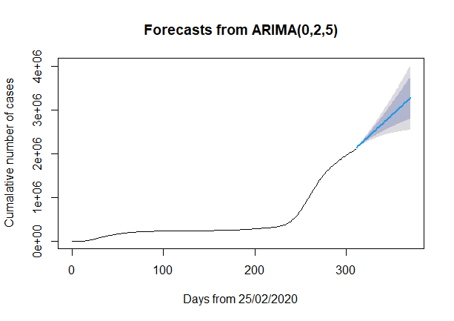
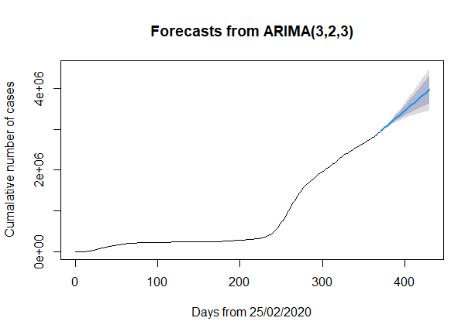
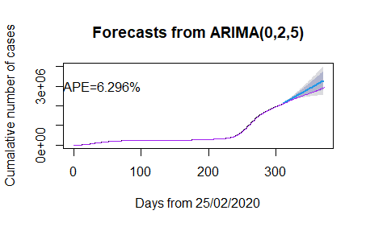

GraphsD
